1. Title Page
Instacart Grocery Basket Analysis

Project Name: Data Immersion
Date: 01/06/2023
Analyst Name: Semone Noel

Contents:
Population Flow
Consistency checks
Wrangling steps
Column derivations
Visualizations
Recommendations

“The Instacart Online Grocery Shopping Dataset 2017”, Accessed from https://www.instacart.com/datasets/grocery-shopping-2017 on 12/16/2022.

2. Population Flow
X1A0T
Title page

Population flow

Exclusion flag
Condition: max_order <
Obervations to be removed:
Final total count of order_products_all:

Orders_products_combined
Orders_products_merged
Orders_products_all

Total: 32434489, 11
Total: 32404859, 31
Total: 30171424, 33

1.) The grey boxes in the first row of the population flow represent the original data sets as they were when you downloaded them. In the Total fields you need to add the count of the rows when you imported the data set into Jupyter.
2.) The second row of boxes (coloured) represents the data sets after you manipulated them, e.g., removed missing values and duplicates. In the Total fields you need to add the count of the rows after conducting these operations. This offers a visual oveview of how the data flows throughout the data consistency checks.
3.) The third row, where also the arrows are coloured, represents the merges you performed between the datasets. In the Total fields you need to add the count of the rows in the merged datasets, so that you end up with the final dataset (in the red box). Keep in mind the final dataset should be without exclusions (based on the exclusion flag).

3. Consistency checks
X2A0T
 |  |  |  | Title page
Consistency checks

Dataset | Missing values | Missing values treatment | Duplicates
orders | 0 | N/A | N/A
products | 16 | dropped missing values | 5
orders_products_prior | 0 |  | 0
customers | 11259 | Impute to 'None' | 0

4. Wrangling steps
X3A0T
 |  |  |  | Title page
Wrangling steps

Columns dropped | Columns renamed | Columns' type changed | Comment/Reason
product_name |  |  | Dropped missing values
 | #rename column 'order_dow' to 'day_of_order' dow= day of order df_ords.rename(columns = {'order_dow':'day_of_order'}, inplace = True) |  | Better clarity
 |  | #set new header for df df_dept_t_new.columns = new_header | column was needed for anaylsis
 | ords_prods_merge.rename(columns = {'order_dow':'orders_day_of_the_week'}, inplace = True) |  | new column for accuracy
 | df.rename(columns = {'First Name':'first_name', 'Surnam':'surname', 'Gender':'gender', 'STATE':'state', 'Age':'age', 'n_dependants':'num_dependants'}, inplace = True) |  | Rename columns for better clarity

5. Column derivations
X4A0T
 |  |  |  | Title page

Column derivations and aggregations

In this tab you should add tables below that the frequences of flags/label variables that you produced after deriving them. NB: don't do this for continuous variables, only for flags.
Dataset | New column | Column/s it was derived from | Conditions
ords_prods_merge_combined1 | price_range_loc | prices | #If-Statements with the loc() Function ords_prods_merge.loc[ords_prods_merge['prices'] > 15, 'price_range_loc'] = 'High-range product'
ords_prods_merge_combined1 | busiest_day | orders_day_of_the_week | # create loop result = [] for value in ords_prods_merge["orders_day_of_the_week"]: if value == 0: result.append("Busiest day") elif value == 4: result.append("Least busy") else: result.append("Regularly busy")
ords_prods_merge_combined1 | busiest_period_of_day | order_hour_of_day | #If-Statements with the loc() ords_prods_merge.loc[ords_prods_merge['order_hour_of_day'] > 17, 'busiest_period_of_day'] = 'Average orders'
orders_products_combined_new | max_order | (['user_id'])['order_number'] | ords_prods_merge['max_order'] = ords_prods_merge.groupby(['user_id'])['order_number'].transform(np.max)
orders_products_combined_new | loyalty_flag | max_order | ords_prods_merge.loc[ords_prods_merge['max_order'] > 40, 'loyalty_flag'] = 'Loyal customer'
orders_products_combined_new | avg_price | (['user_id'])['prices'] | ords_prods_merge['avg_price'] = ords_prods_merge.groupby(['user_id'])['prices'].transform(np.mean)
orders_products_combined_new | median_days_since_prior_order | (['user_id'])['days_since_prior_order'] | ords_prods_merge['median_days_since_prior_order'] = ords_prods_merge.groupby(['user_id'])['days_since_prior_order'].transform(np.median)
orders_products_combined_new | loyalty_flag_price | avg_price | # Deriving Columns with loc() ords_prods_merge.loc[ords_prods_merge['average_price'] < 10, 'loyalty_flag_price'] = 'Low spender'
orders_products_combined_new | order_flag | median_days_since_prior_order | # Deriving Columns with loc() ords_prods_merge.loc[ords_prods_merge['median_days_since_prior_order'] > 20, 'order_flag'] = 'Non-frequent customer'
orders_products_merge_comined_2 | region | state | #Create if func def regions (row): if row['state'] in ('Maine', 'New Hampshire', 'Vermont', 'Massachusetts', 'Rhode Island', 'Connecticut', 'New York', 'Pennsylvania', 'New Jersey'): return '1' elif row['state'] in ('Wisconsin', 'Michigan', 'Illinois', 'Indiana', 'Ohio', 'North Dakota', 'South Dakota', 'Nebraska', 'Kansas', 'Minnesota', 'Iowa', 'Missouri'): return '2' elif row['state'] in ('Delaware', 'Maryland', 'District of Columbia', 'Virginia', 'West Virginia', 'North Carolina', 'South Carolina', 'Georgia', 'Florida', 'Kentucky', 'Tennessee', 'Mississippi', 'Alabama', 'Oklahoma', 'Texas', 'Arkansas', 'Louisiana'): return '3' elif row['state'] in ('Idaho', 'Montana', 'Wyoming', 'Nevada', 'Utah', 'Colorado', 'Arizona', 'New Mexico', 'Alaska', 'Washington','Oregon', 'California', 'Hawaii'): return '4' return 'None'

6. Visualizations
X5A0T
 |  |  |  |  |  |  | Title page

Visualisations

In this tab you should include all the visualtions from Exercises 4.9 and 4.10, alongside the questions from the project brief that they answer. Include any commentary on the relationship between different variables.

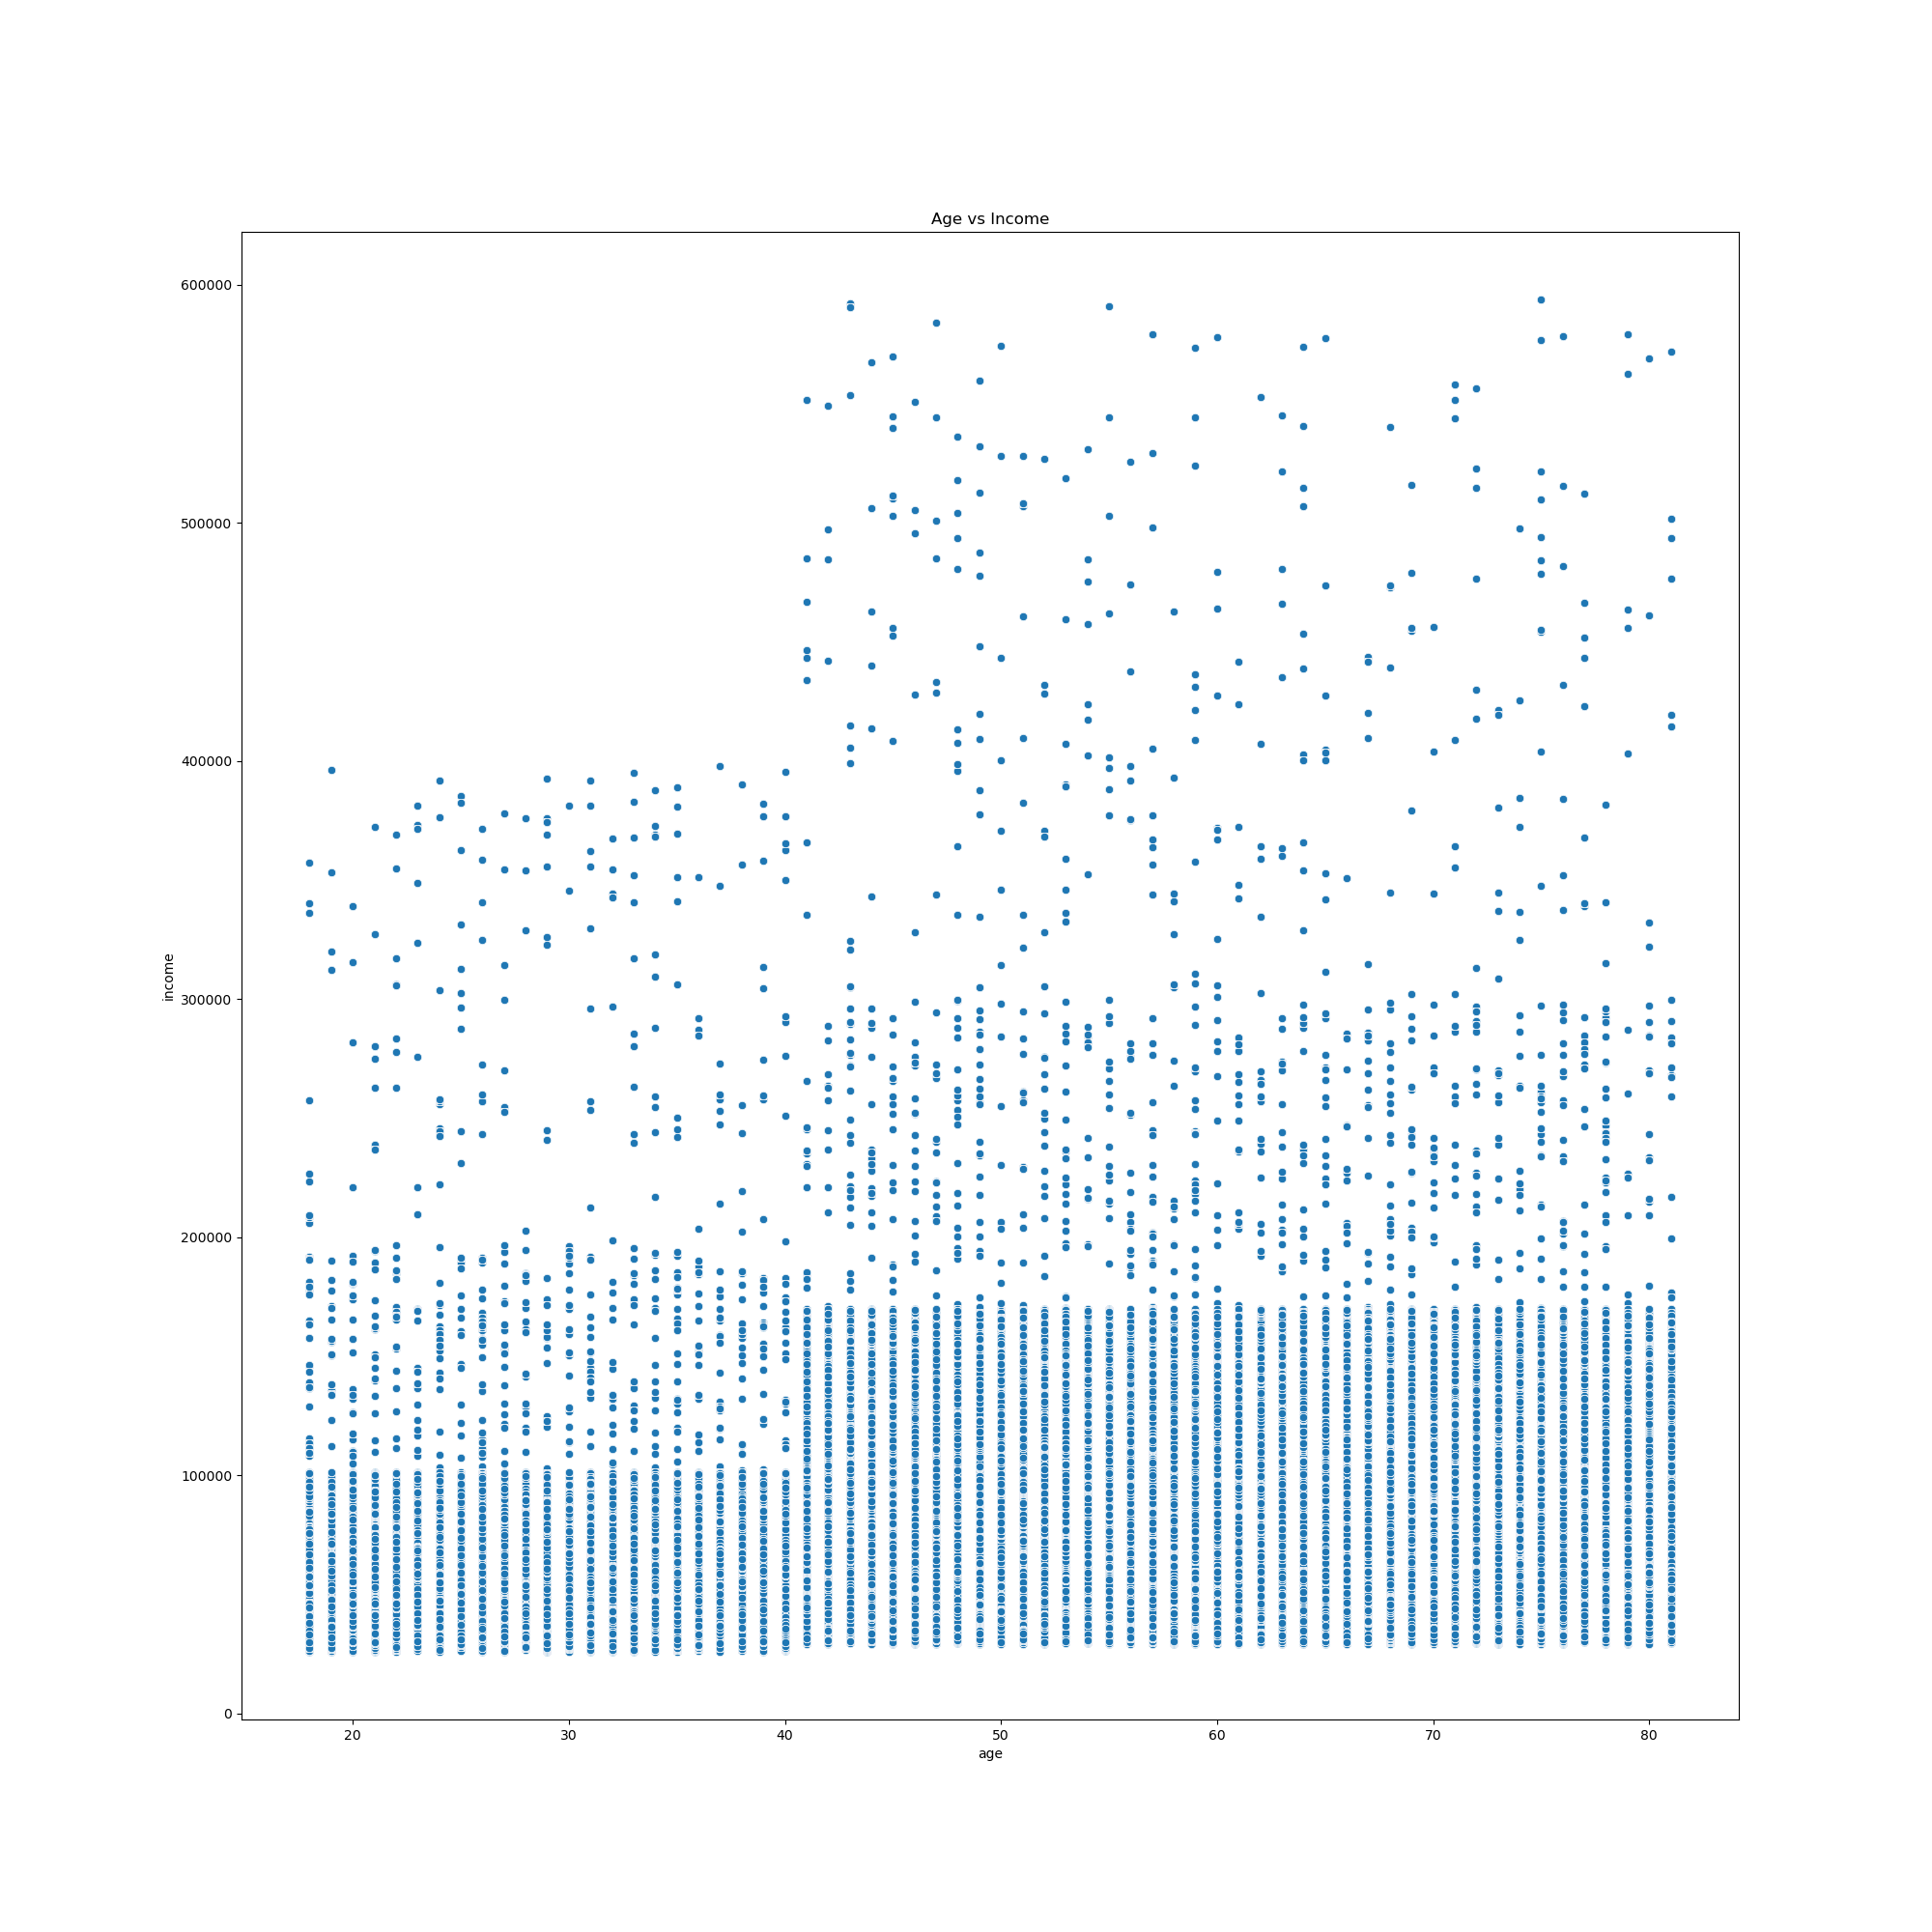

6. Now that you have information about customers, you need to conduct some exploratory analysis of customer demographics to inform the targeted marketing campaigns. First, determine whether there’s a connection between age and family situation by creating a line chart exploring the connections between age and number of dependents: o In a markdown cell beneath your line chart, describe what the line chart shows. |  |  | 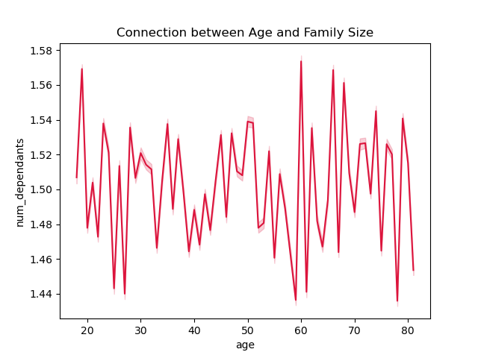 |  |  | 7. You’ll also need to explore whether there’s a connection between age and spending power (income). To visualize this relationship, create a scatterplot using the sns.scatterplot() function. o In a markdown cell beneath your scatterplot, describe what the scatterplot shows.
My Thoughts |  |  |  |  |  | My Thoughts
 |  |  |  |  |  | Based on the scatter chart there seems to be an even distribution across all age groups. The max age is 81. I would recommend rerunning the results dropping under 20 as anage group. Generally the age of consent is 18 and most person in this age group would fall under dependant. Age groups above 40 there is an significant up tick in income. Regardless of age the highest income range seems to from 0 to 200K with a median income of 93K.
Based on the line chart there does not seem to be a direct correlation between age and number of dependents. There does seem to be four groups of dependents (0, 1, 2, 3). There does not seems to be any dependents over three. While using seaborn gives a more visualed chart there no such thing as a 1.5 person.

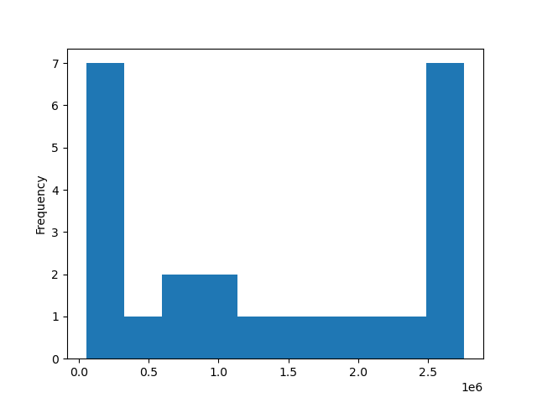

3. You need to provide the Instacart senior stakeholders with descriptive findings about sales. Create a histogram of the “order_hour_of_day” column. o In a markdown cell beneath your histogram, describe what the histogram demonstrates. |  |  |  |  |  | 4. The marketing team is curious about the distribution of orders among customers in terms of loyalty. Create a bar chart from the “loyalty_flag” column.

 |  |  |  |  |  | My Thoughts

 |  |  |  |  |  | The majority of Instacarts customer are either loyal customers or regular customers with a healthy amount of new customers.
My Thoughts

In the histogram above we see that the highest orders come in at 10 am but from 10 am through 16/(4) pm. The lowest orders come in at 3 am and between the hours of 12 am through 6 am very few orders are placed. The order flow can be broken down into two groups: 8am to 17pm (group 1) and 17pm to 8am (group 2) there would be two overlap hours at 17pm and 8am which would align with the working hours of most supermarkets day shifts and overnight shifts.

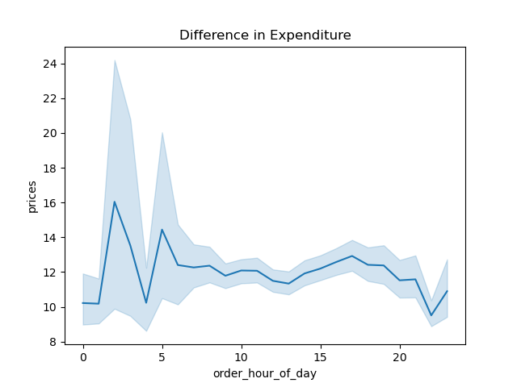

5. Check whether there’s a difference in expenditure (the “prices” column) depending on the hour of the day.

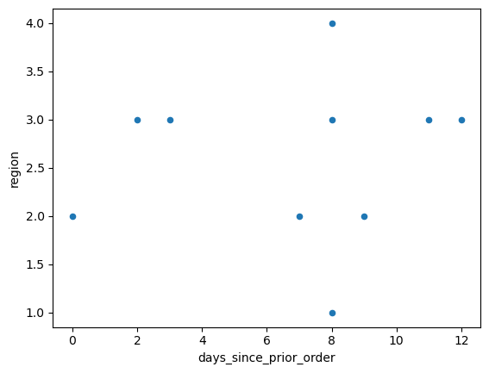
 |  |  |  |  |  | There is a weak correlation between region 3 and the frequency of orders.

My thoughts

I have added a title to the chart. The output shows that during the peak expenditure hours starting at 1 am, there is a sharè lowering expenditure at 5 am. Between 10 pm and 8 pm, the expenditure starts to èlevae. Conversely, from 11 am to 23 pm, the expenditures start to tapper down.

The majority of Instacart clients fit one of three categories: • Married • Divorced/widowed • Single The highest group is Divorced/Widowed with an annual income of nearly 120K. |  |  |  | 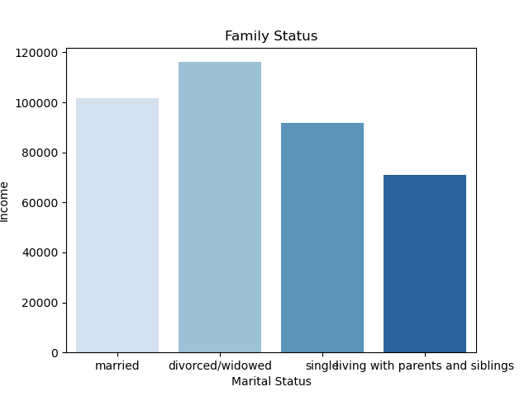 |  |  | The majority of Instacart clients: Have two to three dependents The overall client pool has at least one dependant. |  | 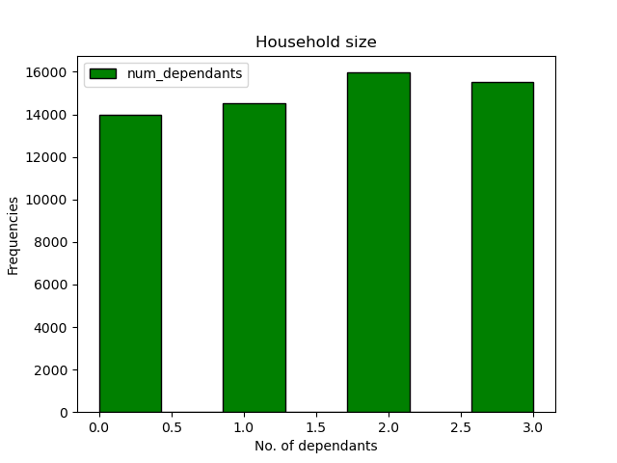

 | The highest expenditures are 1-2 days of order then there is an increase again around days 9-12 and then again on days 27-30.
 |  |  |  | 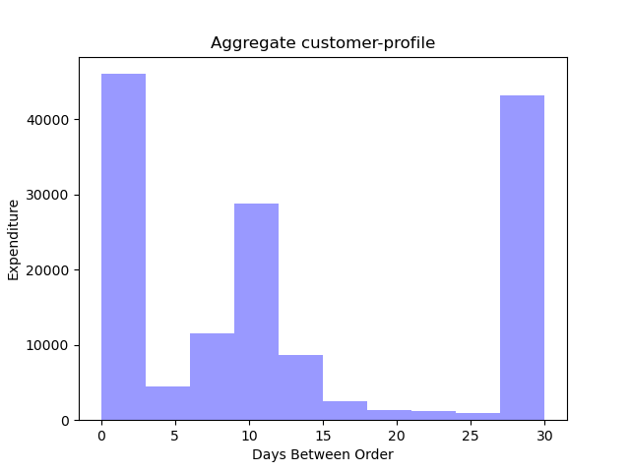 |  |  | The output shows that during the peak prices are from hours starting at 1am there is a sharp lowering prices at 5am. Between 10 and 8pm the prices starts to èlevate. Conversely from 11 am to 23pm the prices start to tapper down. |  | 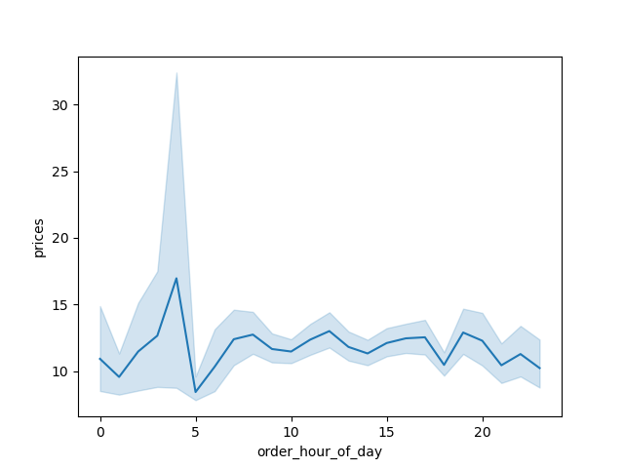

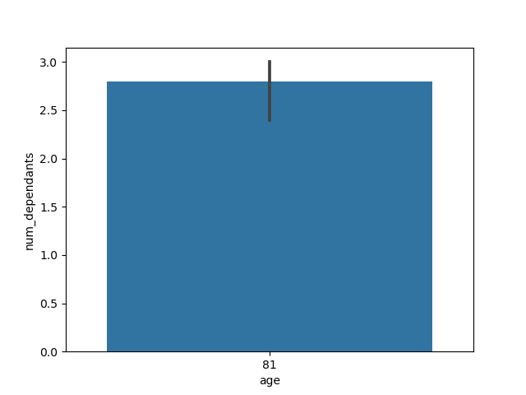

 | The top age group is 81 with at least two dependants |  |  |  |  |  |  | High spenders are range from zero to age 50 but based on reality I would place the range between 20-50 years of age

 |  | Based on the chart there is a very loose correlation between household size and order frequency averaging around 8 days between orders. |  |  | 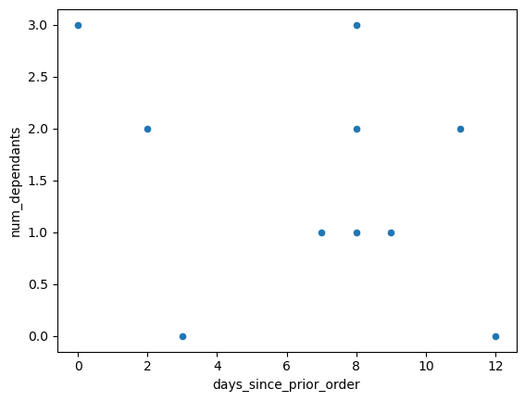

7. Recommendations
 |  |  |  |  |  | Title page

Recommendations

In this tab you should include any recommendations you would made to Instcart in terms of their marketing strategy based on the questions posed in the brief. Every key question has been covered in the Tasks of the Exercises - here you need to add an item - a visualisation or table/crosstable that is showing the answer in the data, acompanied by a comment from you. Please, list the questions below and add the answer underneath.

Question | Answer
Key Question 1 : The sales team needs to know what the busiest days of the week and hours of the day are (i.e., the days and times with the most orders) in order to schedule ads at times when there are fewer orders. | 0 600905 - Saturday is the busiest day and 10:00 is the most popular time for orders to be placed
Key Question 2: They also want to know whether there are particular times of the day when people spend the most money, as this might inform the type of products they advertise at these times. | The output shows that during the peak expenditure hours starting at 1 am, there is a sharè lowering expenditure at 5 am. Between 10 pm and 8 pm, the expenditure starts to èlevae. Conversely, from 11 am to 23 pm, the expenditures start to tapper down.
Key Question 3: Instacart has a lot of products with different price tags. Marketing and sales want to use simpler price range groupings to help direct their efforts. | prices loyalty_flag Loyal customer New customer Regular customer | mean 10.386336 13.294670 12.495717 | Min 1.0 1.0 1.0 | Max 99999.0 99999.0 99999.0 | The marketing group can use the means prices for each group to direct their efforts.
Key Question 4: Are there certain types of products that are more popular than others? The marketing and sales teams want to know which departments have the highest frequency of product orders. | The highest product order is 196 Cold Brew Coffee Tahitian Vanilla. The most popular dept are breakfast, beverages, and meat.
Key Question 5: The marketing and sales teams are particularly interested in the different types of customers in their system and how their ordering behaviors differ. For example: • What’s the distribution among users in regards to their brand loyalty (i.e., how often do they return to Instacart)? • Are there differences in ordering habits based on a customer’s loyalty status? • Are there differences in ordering habits based on a customer’s region? • Is there a connection between age and family status in terms of ordering habits? | Based on the chart there is a very loose correlation between household size and order frequency averaging around 8 days between orders.
Key Question 6: What different classifications does the demographic information suggest? Age? Income? Certain types of goods? Family status? | • Are there differences in ordering habits based on a customer’s loyalty status? Customers tend to order every 0-20 days. I recommend timing sales and specials around the days and times when customers are more likely to place orders. • Are there differences in ordering habits based on a customer’s region? There does not seem to be a correlation between region and ordering habits. Based on the chart, there is a very loose correlation between household size and order frequency averaging around eight days between orders. Region three seems to be the most consistent. • Is there a connection between age and family status in terms of ordering habits? Between the ages of 20-50 are high spenders. Most Instacart clients fit one of three categories: Married, Divorced/widowed, or Single. The highest group is Divorced/Widowed with an annual income of nearly 120K. I would suggest promoting family-sized products with an emphasis on quality and savings. According to the US Census Bureau, in 2021, the American median household income was 70,784 USD. In markets, like NY the high-end middle-class income is 176K USD, or in Washington, DC it can be 223K USD.
Key Question 7: What differences can you find in ordering habits of different customer profiles? Consider the price of orders, the frequency of orders, the products customers are ordering, and anything else you can think of. | Based on the size of the average customer is 2-3 persons per household with above the median income, it would be recommended to focus on higher-end products that fit within the top-performing departments, such as beverages. Also, the customer profile likes to order early in the morning, perhaps before work. Sending out sales alerts to go out to customers between 7 pm to 1 am the night before could result in higher sales. Also, sending out alerts for popular items every 10-20 days would align with the order habits of the customer base.

Note: the customer data, as well as the “prices” column in the products data set, were both fabricated for the purpose of a data analysis course.

